Bug Report
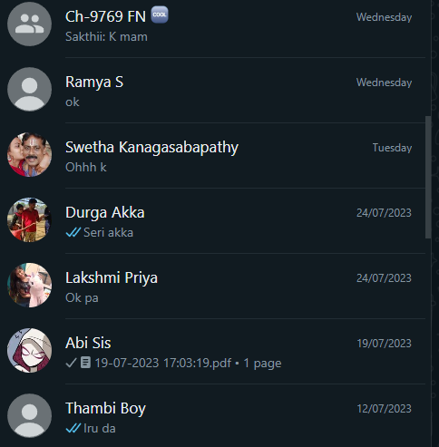
BUG REPORT FOR WHATSAPP APPLICATION
BUG TITLE | BUG IDENTIFIER | APPLICATION NAME | FUNCTIONS | ENVIRONMENT | CATEGORY | PRIORITY | SEVERITY | BUG STATUS | TEST CASE NAME | BUG DESCRIPTION | STEPS TO REPRODUCE | ACTUAL RESULT | TESTER COMMENTS
Chat module freezing and message display issue | B-O1 | WHATSAPP | The bug arise while clicking the chats | WINDOWS 11,MICROSOFT EDGE | CRITICAL FUNCTIONALITY | HIGH | HIGH | OPEN | TC-09 | In the latest version of WhatsApp (version 5.0.0), I have encountered a critical bug within the chat module. The issue seems to occur intermittently but has been persisting since the recent update. The bug manifests in two main ways: | Open WhatsApp and navigate to the chat module. | The chat module occasionally freezes, becoming unresponsive to user interactions. Additionally, when multiple messages are received in quick succession, some messages overlap, causing readability issues. | I have conducted testing on multiple devices and operating systems to ensure the issues are not device-specific. The identified bugs could impact user satisfaction and the overall functionality of WhatsApp's chats module.
 |  |  |  |  |  |  |  |  |  |  | Start a conversation with a contact or join a group chat.
 |  |  |  |  |  |  |  |  |  |  | Send or receive messages at a relatively quick pace.
 |  |  |  |  |  |  |  |  |  |  | Observe the chat module for any freezing or message display issues.
CALLS QUALITY ISSUES | B-02 | WHATSAPP | The bug arise while making calls and the quality of the calls are not clear | WINDOWS 11,MICROSOFT EDGE | CRITICAL FUNCTINALITY | HIGH | HIGH | INPROGRESS | TC-10 | I have encountered several critical bugs within the calls module. The issues are affecting both voice and video calls | Open WhatsApp and ensure you have an active internet connection. |  | I have verified that my internet connection is stable and that other apps requiring internet connectivity work flawlessly. Additionally, I have attempted to troubleshoot the issues by restarting my device, clearing the app cache, and reinstalling WhatsApp, but the problems persist.
 |  |  |  |  |  |  |  |  |  |  | Navigate to the chat with a contact you want to call. | Call connectivity issues persist, leading to delayed or failed call connections.
 |  |  |  |  |  |  |  |  |  |  | Initiate a voice or video call by tapping the respective call button. |  | These bugs severely impact the reliability and usability of WhatsApp's calls module, hindering communication with contacts. I hope this report assists the development team in identifying and resolving these issues promptly.
 |  |  |  |  |  |  |  |  |  |  | Observe the call connectivity, call quality, and video feed during the conversation.
WHATAPP MOBILE NUMBER ENTRY ISSUES | B-03 | WHATSAPP | The bug arise while entering the mobile number | WINDOWS 11, MICROSOFT EDGE | CRITICAL FUNCTIONALITY | HIGH | HIGH | REOPEN | TC-04 | I have encountered a bug while attempting to enter my mobile number during the initial setup process. The issue pertains to the step where users are required to enter their mobile number to register or log in to WhatsApp. The bug has rendered me unable to complete the registration process successfully. | Install WhatsApp version 5.0.0 on a compatible device. | The country code field remains empty, and the country flag is not displayed, leading to an inability to proceed with the registration process. | I have attempted to troubleshoot the issue by reinstalling WhatsApp, ensuring location services are enabled, and verifying network connectivity. However, the problem persists, indicating that the issue lies within the application itself.
 |  |  |  |  |  |  |  |  |  |  | Launch the app and proceed with the initial setup process. | There is no way to manually select the country code, exacerbating the issue.
 |  |  |  |  |  |  |  |  |  |  | Reach the step where you are required to enter your mobile number. | As a result of the above issues, the "Next" button remains unresponsive, preventing the completion of the registration process. | This bug impedes new user registrations and may lead to frustration among users attempting to access WhatsApp.
 |  |  |  |  |  |  |  |  |  |  | Observe the behavior of the country code field, country flag, and the "Next" button.
WHATAPP RESTORATION ISSUES | B-04 | WHATSAPP | The bug arise while clicking the restoring backup button | WINDOWS 11, MICROSOFT EDGE | FUNCTIONALITY | HIGH | HIGH | CLOSED | TC-07 | I have encountered a critical bug related to the restoration of backups. The issue occurs when attempting to restore a previously saved backup from a cloud storage service. This bug prevents users from accessing their chat history and media files, causing significant inconvenience and potential data loss. | Install WhatsApp version 5.0.0 on a new device or perform a clean reinstall on an existing device. | WhatsApp fails to detect any backups on the cloud storage service, preventing users from initiating the restoration process. | I have verified that the device has a stable internet connection, and the cloud storage service account is properly linked to WhatsApp. Despite meeting these prerequisites, the backup restoration issue persists.

 |  |  |  |  |  |  |  |  |  |  | Begin the setup process and proceed to the backup restoration step. | The app does not recognize or allow access to local backups stored on the device. | This bug severely affects users who wish to switch devices or reinstall WhatsApp, as they are unable to recover their previous chat history and media files.
 |  |  |  |  |  |  |  |  |  |  | Observe the app's behavior regarding the detection and selection of backups. | There is no option to manually select a specific backup file for restoration, limiting users to cloud backups only.
WHATSAPP INFORMATION PROFILE DISPLAY ISSUES | B-05 | WHATSAPP | The bug arise while clicking the profile info | WINDOWS 11, MICROSOFT EDGE | DATA | HIGH | LOW | IN PROGRESS | TC-08 | I have encountered a bug related to the display of profile information. The issue affects both my own profile and the profiles of my contacts, leading to incomplete or missing information being displayed. | Open WhatsApp and navigate to the "Settings" or "Chats" section. | The updated profile picture does not reflect the changes, remaining unchanged on both my own profile and my contacts' profiles. | I have attempted to troubleshoot the issues by restarting the app and ensuring that my device's operating system is up-to-date. However, the problems persist, indicating that the issue lies within the application itself.
 |  |  |  |  |  |  |  |  |  |  | Attempt to change your profile picture and verify whether the update is successful. | Some status updates from contacts are missing in the "Status" section, leading to incomplete visibility of their updates.
 |  |  |  |  |  |  |  |  |  |  | Check the "Status" section and observe whether all of your contacts' status updates are displayed accurately. | The "Last Seen" information displayed on some contacts' profiles is inaccurate, showing outdated information. | These bugs impact the user experience and may lead to confusion regarding the accuracy of profile information, status updates, and activity tracking.
 |  |  |  |  |  |  |  |  |  |  | Visit the profiles of your contacts and note any discrepancies in their "Last Seen" information.

